Sheet1
Product Image | SUBCATEGORY | DESCRIPTION | Qty | RRP | Total RRP
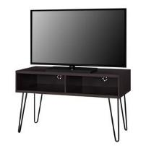 | TV STANDS | OWEN RETRO TV STAND 42" ESPRESSO | 121 | £119.99 | £14,518.79
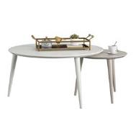 | ACCENT/END TABLES | CL Carnegie Nesting Tables Taupe/White | 116 | £199.99 | £23,198.84
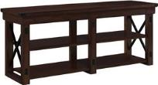 | TV STANDS | WILDWOOD WOOD VENEER TV STAND 65" ESPRESSO | 80 | £369.99 | £29,599.20
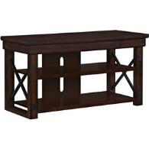 | TV STANDS | WILDWOOD WOOD VENEER TV STAND 50" ESPRESSO | 69 | £249.99 | £17,249.31
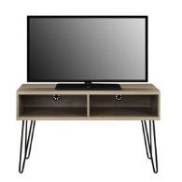 | TV STANDS | OWEN RETRO TV STAND 42" RUSTIC OAK | 61 | £119.99 | £7,319.39
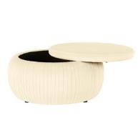 | OTTOMANS | CL Sapphire Round Storage Ottoman Cream | 49 | £279.99 | £13,719.51
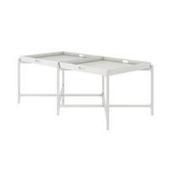 | ACCENT/END TABLES | Coco Coffee Tray Table White | 43 | £129.99 | £5,589.57
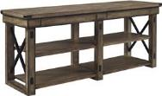 | TV STANDS | WILDWOOD WOOD VENEER TV STAND 65" RUSTIC GREY | 39 | £369.99 | £14,429.61
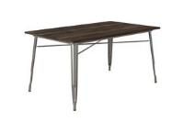 | TABLES | Fusion Rectangular Dining Table Antique Gun Metal | 37 | £249.99 | £9,249.63
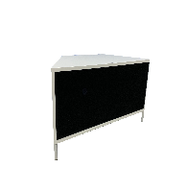 | TV STANDS | HYDE STAND 1200 - WHITE | 31 | £274.99 | £8,524.69
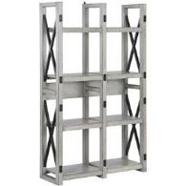 | BOOKCASES | WILDWOOD ROOM DIVIDER RUSTIC WHITE | 24 | £239.99 | £5,759.76
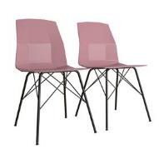 | CHAIRS | CL Riley Molded Dining Chair Pink | 21 | £199.99 | £4,199.79
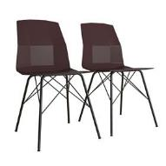 | CHAIRS | CL Riley Molded Dining Chair Burgundy | 20 | £199.99 | £3,999.80
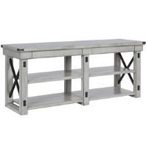 | TV STANDS | Wildwood Wood Veneer TV Stand 65" Rustic White | 17 | £369.99 | £6,289.83
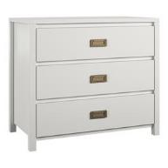 | DRESSERS | Monarch Hill Haven 3 Drawer Dresser White | 14 | £199.99 | £2,799.86
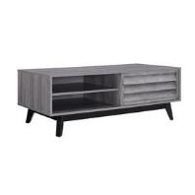 | COFFEE TABLES | VAUGHN COFFEE TABLE GREY OAK | 13 | £169.99 | £2,209.87
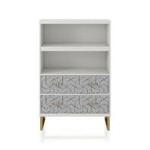 | BOOKCASES | SCARLETT BOOKCASE WITH DRAWERS WHITE | 11 | £349.99 | £3,849.89
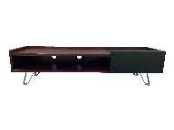 | TV STANDS | BELLA STAND 1500 - DARK ELM | 10 | £299.99 | £2,999.90
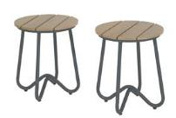 | OUTDOORS | BOBBI 2 BISTRO STOOLS CHARCOAL GREY BY NOVOGRATZ | 9 | £129.99 | £1,169.91
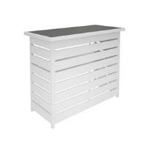 | OUTDOORS | CL Ariesa Outdoor Bar Table | 8 | £499.99 | £3,999.92
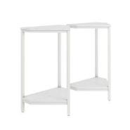 | ACCENT/END TABLES | CL Scarlett End Table Set White Marble | 7 | £119.99 | £839.93
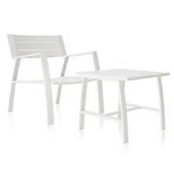 | OUTDOORS | CL Avisa Collection 2 Piece Outdoor Bistro Set | 7 | £299.99 | £2,099.93
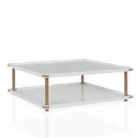 | COFFEE TABLES | CL VOLTA SQUARE COFFEE TABLE GOLD WHITE | 6 | £249.99 | £1,499.94
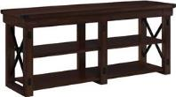 | TV STANDS | WILDWOOD WOOD VENEER TV STAND (65") ESPRESSO | 6 | £369.99 | £2,219.94
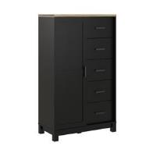 | DRESSERS | CARVER GENTLEMANS CHEST BLACK | 6 | £299.99 | £1,799.94
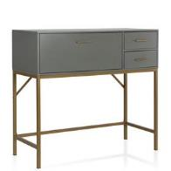 | STORAGE CABINETS | CL Lennon Storage Console Unit | 4 | £369.99 | £1,479.96
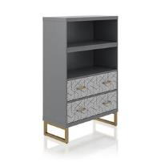 | BOOKCASES | SCARLETT BOOKCASE WITH DRAWERS GRAPHITE GREY | 3 | £349.99 | £1,049.97
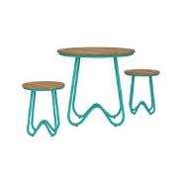 | OUTDOORS | BOBBI 3 PC BISTRO SET TURQUOISE BY NOVOGRATZ | 2 | £259.99 | £519.98
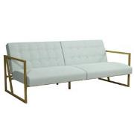 | SOFAS | CL Lexington Modern Futon Bleached Teal | 2 | £399.99 | £799.98
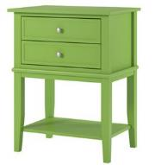 | ACCENT/END TABLES | Franklin Accent Table with 2 Drawers Green | 1 | £129.99 | £129.99
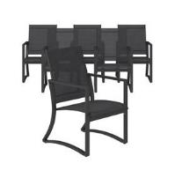 | OUTDOORS | CAPITOL HILL PATIO STEEL CHAIRS 6PK NAVY SLING | 1 | £599.99 | £599.99
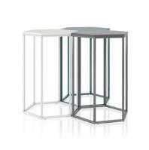 | ACCENT/END TABLES | CL Park Ave Table Set White/Graphite/Emerald | 1 | £149.99 | £149.99
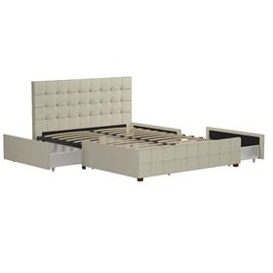 |  |  | 839 |  | £193,866.61

